1-Summary
Xoserve Monthly Reporting |  |  |  |  |  | DEC 2018

 | Invoicing Information |  |  |  |  |  |  |  |  | Contract Management Reporting

 | Invoice | Apr-18 | May-18 | Jun-18 | Jul-18 | Aug-18 | Sep-18 | Oct-18 | Nov-18 | Priority 1 KPI |  |  |  |  | 0
 | LDZ Capacity (CAZ) | £302,200,317.27 | £312,174,512.16 | £302,299,412.99 | £312,562,745.62 | £312,780,813.69 | £302,866,760.19 | £313,359,948.83 | £303,715,362.33
 | Commodity (COM) | £29,034,584.31 | £19,449,237.00 | £14,591,606.04 | £14,290,600.70 | £15,048,321.28 | £17,528,307.30 | £29,476,349.27 | £37,862,420.69 | Priority 2 KPIs |  |  |  |  | 1
 | Amendments (AMS) | £1,543,453.44 | £2,024,085.07 | £2,213,969.29 | £1,483,244.96 | £830,443.17 | -£385,853.99 | £58,182.64 | -£765,656.96
 | Meter Assets (MAS & ADP) | £194,233.30 | £200,707.08 | £194,233.54 | £200,707.69 | £200,263.88 | £189,788.22 | £196,114.17 | £189,786.88 | UK Link Availability (Gemini) |  |  |  |  | 100.00%
 | NTS Entry Capacity (NTE) | £1,577,511.57 | £1,599,795.55 | £1,621,553.61 | £1,735,803.71 | £1,735,803.71 | £1,760,935.51 | £8,332,609.71 | £8,064,487.69
 | NTS Exit Capacity (NXC) | £18,111,359.22 | £18,702,620.75 | £18,117,525.20 | £18,720,256.49 | £18,720,256.49 | £18,113,875.74 | £13,807,265.85 | £13,789,980.96 | UK Link Availability (Non-Gemini) |  |  |  |  | 100.00%

 |  |  |  |  |  |  |  |  |  | Third Party Services Sold |  |  |  |  | £15,625

 |  |  |  |  |  |  |  |  |  | Additional Services Sold

 |  |  |  |  |  |  |  |  |  | Operational Requirements |  |  |  |  | No Failures

 |  |  |  |  |  |  |  |  |  | Supply Point Information

 |  |  |  |  |  |  |  |  |  | Type | May | June | July | August | September | October | November | December
 |  |  |  |  |  |  |  |  |  | Class 1 | 420 | 422 | 427 | 427 | 429 | 433 | 437 | 438
 |  |  |  |  |  |  |  |  |  | Class 2 | 686 | 687 | 658 | 655 | 650 | 645 | 636 | 639
 |  |  |  |  |  |  |  |  |  | Class 3 | 121,241 | 123,483 | 125,491 | 78,827 | 88,860 | 87,615 | 95,286 | 95,544
 |  |  |  |  |  |  |  |  |  | Class 4 | 23,988,139 | 24,005,430 | 24,038,014 | 24,101,362 | 24,110,132 | 24,128,941 | 24,146,202 | 24,160,382

 | Highlights & Other Matters New Xoserve.com Walkthrough On Thursday 13th December, we held a Website Walkthrough WebEx to showcase the designs and features of the new Xoserve.com, launching in January. Xoserve Appoints Clare Spottiswoode as Chairman Xoserve is delighted to announce that Clare Spottiswoode will be joining as Chairman from 1st January 2019 Upcoming Advents Customer expert day on the 30th January focusing on AQ, Reads, UIG

 |  |  |  |  |  |  |  |  |  |  |  |  |  |  |  | Smart Meter- % 28.25%

5-Change Report Summary
Totals by Budget Area (£,000's) |  |  |  |  |  |  |  |  |  |  | Current Year Value of Work Done Split By Customer Class
 |  |  | Values pertaining to the Total Cost of the Project |  | Values pertaining to the cost of the project split by Financial Year |  |  |  | RAG Status
Summary (by Budget Area) | Expenditure Type | Approved Budget Value 18/19 | Total Approved Value | Estimated Cost at Completion | Previous Year Value of Work Done | Current Year Value of Work Done | Current Year Value of Work Remaining | Future Financial Years Value of Work Remaining | Current Year Total vs Budget | Estimated Cost at Completion vs. Total Approved Value | Transmission Network Operator | Distribution Network Operator | DNs & IGTs | IGT's | Shippers
DSC Change Budget | External | 2,206.7 | 2,829.2 | 1,739.6 | 508.5 | 1,137.3 | 102.8 | 0.0 | G | G | 590.0 | 126.5 | 56.2 | 0.0 | 364.7
 | Internal |  |  | 395.0 | 119.1 | 248.7 | 27.3 | 0.0 | NA | NA | 167.2 | 10.4 | 4.9 | 0.0 | 66.2
 | Total |  |  | 2,175.0 | 668.0 | 1,386.0 | 130.0 | 0.0 | NA | NA | 757.1 | 136.9 | 61.1 | 0.0 | 430.9

Note that project expenditure & budget values shown do not include margin |  |  |  |  |  |  |  |  | Green - At or below target
Internal costs are not deducted from budget (unless otherwise notified) |  |  |  |  |  |  |  |  | Red - Above target

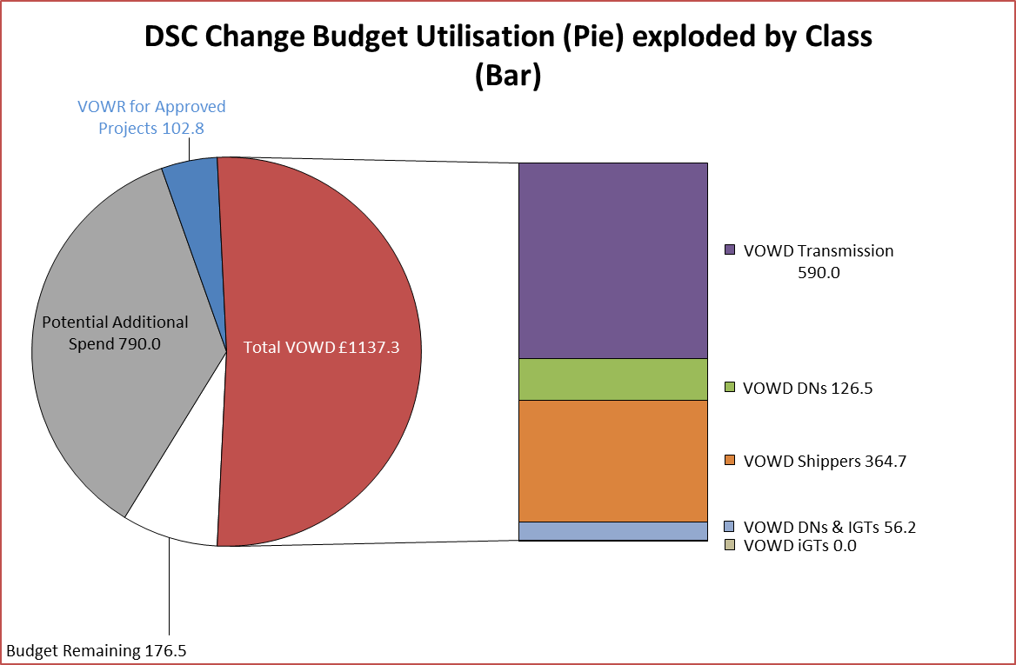
Details of Changes
 | Values pertaining to the Total Cost of the Project |  | Values pertaining to the cost of the project split by Financial Year
Project Line Level Changes | Change in Total Approved Value | Change in Estimated Total Cost of Project | Change in Previous Year Actuals | Change in Current Year Value of Work Done | Change in Current Year Value of Work Remaining | Change in Future Financial Years Value of Work Remaining
4361 UKL Jun'18 Release [R2] (DSC CB) Programme Summary - External [O] | 0.0 | 0.0 | 0.0 | 0.0 | 0.0 | 0.0
4361 UKL Jun'18 Release [R2] (DSC CB) Programme Summary - Internal [O] | 0.0 | 0.0 | 0.0 | 0.0 | 0.0 | 0.0
This section summarises any value change between this report and the previous report. Positive values indicate an increase since the last report, negative indicates a decrease.

