1-Summary
Xoserve Monthly Reporting |  |  |  |  |  | March 2019

 | Invoicing Information |  |  |  |  |  |  |  |  | Contract Management Reporting

 | Invoice | Jul-18 | Aug-18 | Sep-18 | Oct-18 | Nov-18 | Dec-18 | Jan-19 | Feb-19 | Priority 1 KPI |  |  |  |  | 0
 | LDZ Capacity (CAZ) | £312,562,745.62 | £312,780,813.69 | £302,866,760.19 | £313,359,948.83 | £303,715,362.33 | £309,858,247.00 | £310,573,206.23 | £280,690,666.66
 | Commodity (COM) | £14,290,600.70 | £15,048,321.28 | £17,528,307.30 | £29,476,349.27 | £37,862,420.69 | £42,951,905.58 | £52,085,770.33 | £40,096,892.48 | Priority 2 KPIs |  |  |  |  | 1
 | Amendments (AMS) | £1,483,244.96 | £830,443.17 | -£385,853.99 | £58,182.64 | -£765,656.96 | £374,357.97 | -£1,327,183.91 | £245,268.62
 | Meter Assets (MAS & ADP) | £200,707.69 | £200,263.88 | £189,788.22 | £196,114.17 | £189,786.88 | £196,114.66 | £196,114.87 | £177,134.91 | UK Link Availability (Gemini) |  |  |  |  | 99.66%
 | NTS Entry Capacity (NTE) | £1,735,803.71 | £1,735,803.71 | £1,760,935.51 | £8,332,609.71 | £8,064,487.69 | £8,796,213.72 | £10,143,131.93 | £9,130,603.41
 | NTS Exit Capacity (NXC) | £18,720,256.49 | £18,720,256.49 | £18,113,875.74 | £13,807,265.85 | £13,789,980.96 | £13,770,471.59 | £13,947,987.58 | £12,803,012.32 | UK Link Availability (Non-Gemini) |  |  |  |  | 100.00%

 |  |  |  |  |  |  |  |  |  | Third Party Services Sold |  |  |  |  | £17,218

 |  |  |  |  |  |  |  |  |  | Additional Services Sold |  |  |  |  | £8,182

 |  |  |  |  |  |  |  |  |  | Operational Requirements |  |  |  |  | No Failures

 |  |  |  |  |  |  |  |  |  | Supply Point Information

 |  |  |  |  |  |  |  |  |  | Type | August | September | October | November | December | January | Feb | March
 |  |  |  |  |  |  |  |  |  | Class 1 | 427 | 429 | 433 | 437 | 438 | 441 | 441 | 441
 |  |  |  |  |  |  |  |  |  | Class 2 | 655 | 650 | 645 | 636 | 639 | 638 | 633 | 620
 |  |  |  |  |  |  |  |  |  | Class 3 | 78,827 | 88,860 | 87,615 | 95,286 | 95,544 | 95,568 | 98,369 | 101,910
 |  |  |  |  |  |  |  |  |  | Class 4 | 24,101,362 | 24,110,132 | 24,128,941 | 24,146,202 | 24,160,382 | 24,173,580 | 24,197,837 | 24,264,887

 | Summary Notes One failed KPI - P2 relating to the submission of Class 1 daily reads to Shippers by 2pm on GFD+1. Seven P2 incidents affecting customers raised in March 2019, none resulted in a KPI failure however, all relating to system failure, summary of failures below (this is included on the Customer Issue Register); - Access to Data Enquiry System (DES) - Two incidents relating to access to Gemini - Two incidents relating to access to Xoserve Portal - UIG Gas Nominations published late - IX connectivity issue One incident relating to data submitted to a Shipper in error. Revised Supply Point Data Notifications (S91 File Record), within the Annual Quantity (AQ) Notification file (NRL), were incorrectly issued to the Nominating Shipper after the Nomination Offer had lapsed; 748 meter points were affected. Amendment Invoice Taskforce Update took place on Wednesday 24th April 2019, slides available on Xoserve.com. Next Taskforce Update being planned for early May 2019. Next Customer Expert day will be held on 3rd May, register on Xoserve.com

 |  |  |  |  |  |  |  |  |  |  |  |  |  |  |  | Smart Meter- % 29.94%

5-Change Report Summary
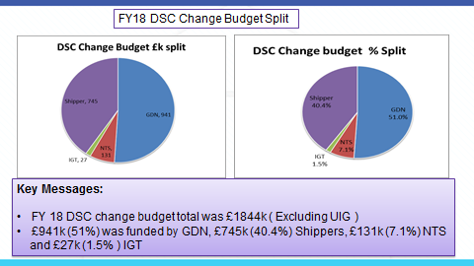
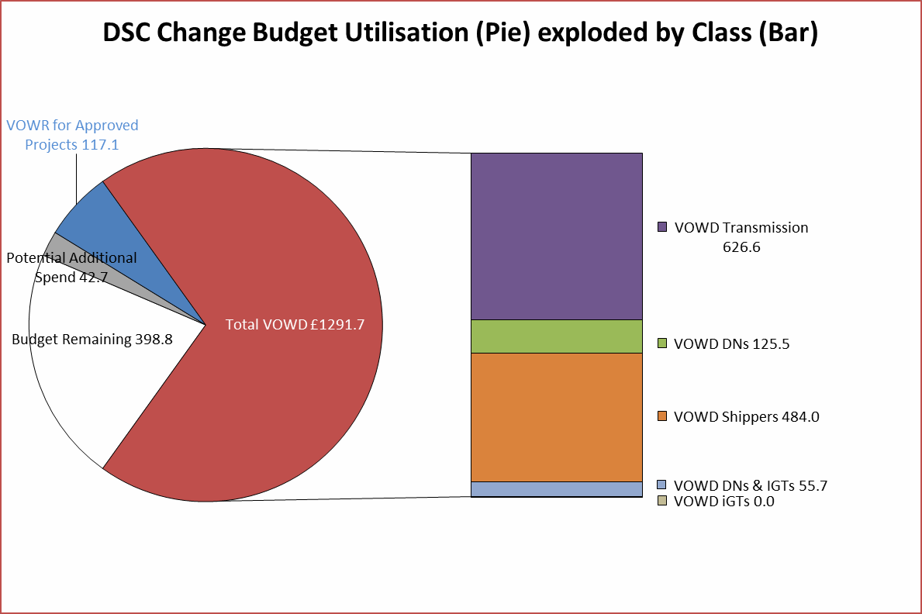

6-Change Report Detail
