1-Summary
Xoserve Monthly Reporting |  |  |  |  |  | Nov 2018

 | Invoicing Information |  |  |  |  |  |  |  |  | Contract Management Reporting

 | Invoice | Mar-18 | Apr-18 | May-18 | Jun-18 | Jul-18 | Aug-18 | Sep-18 | Oct-18 | Priority 1 KPI |  |  |  |  | 1
 | LDZ Capacity (CAZ) | £300,714,752.62 | £302,200,317.27 | £312,174,512.16 | £302,299,412.99 | £312,562,745.62 | £312,780,813.69 | £302,866,760.19 | £313,359,948.83
 | Commodity (COM) | £47,885,458.16 | £29,034,584.31 | £19,449,237.00 | £14,591,606.04 | £14,290,600.70 | £15,048,321.28 | £17,528,307.30 | £29,476,349.27 | Priority 2 KPIs |  |  |  |  | 0
 | Amendments (AMS) | £435,829 | £1,543,453.44 | £2,024,085.07 | £2,213,969.29 | £1,483,244.96 | £830,443.17 | -£385,853.99 | £58,182.64
 | Meter Assets (MAS & ADP) | £193,565.33 | £194,233.30 | £200,707.08 | £194,233.54 | £200,707.69 | £200,263.88 | £189,788.22 | £196,114.17 | UK Link Availability (Gemini) |  |  |  |  | 100.00%
 | NTS Entry Capacity (NTE) | £12,522,228.64 | £1,577,511.57 | £1,599,795.55 | £1,621,553.61 | £1,735,803.71 | £1,735,803.71 | £1,760,935.51 | £8,332,609.71
 | NTS Exit Capacity (NXC) | £16,944,144.32 | £18,111,359.22 | £18,702,620.75 | £18,117,525.20 | £18,720,256.49 | £18,720,256.49 | £18,113,875.74 | £13,807,265.85 | UK Link Availability (Non-Gemini) |  |  |  |  | 100.00%

 |  |  |  |  |  |  |  |  |  | Third Party Services Sold |  |  |  |  | £10,050

 |  |  |  |  |  |  |  |  |  | Additional Services Sold |  |  |  |  | £10,952

 |  |  |  |  |  |  |  |  |  | Operational Requirements |  |  |  |  | No Failures

 |  |  |  |  |  |  |  |  |  | Supply Point Information

 |  |  |  |  |  |  |  |  |  | Type | April | May | June | July | August | September | October | October
 |  |  |  |  |  |  |  |  |  | Class 1 | 449 | 420 | 422 | 427 | 427 | 429 | 433 | 437
 |  |  |  |  |  |  |  |  |  | Class 2 | 663 | 686 | 687 | 658 | 655 | 650 | 645 | 636
 |  |  |  |  |  |  |  |  |  | Class 3 | 119,857 | 121,241 | 123,483 | 125,491 | 78,827 | 88,860 | 87,615 | 95,286
 |  |  |  |  |  |  |  |  |  | Class 4 | 23,975,239 | 23,988,139 | 24,005,430 | 24,038,014 | 24,101,362 | 24,110,132 | 24,128,941 | 24,146,202

 | Highlights & Other Matters

 |  |  |  |  |  |  |  |  |  |  |  |  |  |  |  | Smart Meter- % 27.81%

5-Change Report Summary
Totals by Budget Area (£,000's) |  |  |  |  |  |  |  |  |  |  | Current Year Value of Work Done Split By Customer Class
 |  |  | Values pertaining to the Total Cost of the Project |  | Values pertaining to the cost of the project split by Financial Year |  |  |  | RAG Status
Summary (by Budget Area) | Expenditure Type | Approved Budget Value 18/19 | Total Approved Value | Estimated Cost at Completion | Previous Year Value of Work Done | Current Year Value of Work Done | Current Year Value of Work Remaining | Future Financial Years Value of Work Remaining | Current Year Total vs Budget | Estimated Cost at Completion vs. Total Approved Value | Transmission Network Operator | Distribution Network Operator | DNs & IGTs | IGT's | Shippers
DSC Change Budget | External | 2,206.7 | 2,829.2 | 1,739.6 | 508.5 | 1,137.3 | 102.8 | 0.0 | G | G | 590.0 | 126.5 | 56.2 | 0.0 | 364.7
 | Internal |  |  | 395.0 | 119.1 | 248.7 | 27.3 | 0.0 | NA | NA | 167.2 | 10.4 | 4.9 | 0.0 | 66.2
 | Total |  |  | 2,175.0 | 668.0 | 1,386.0 | 130.0 | 0.0 | NA | NA | 757.1 | 136.9 | 61.1 | 0.0 | 430.9

Note that project expenditure & budget values shown do not include margin |  |  |  |  |  |  |  |  | Green - At or below target
Internal costs are not deducted from budget (unless otherwise notified) |  |  |  |  |  |  |  |  | Red - Above target

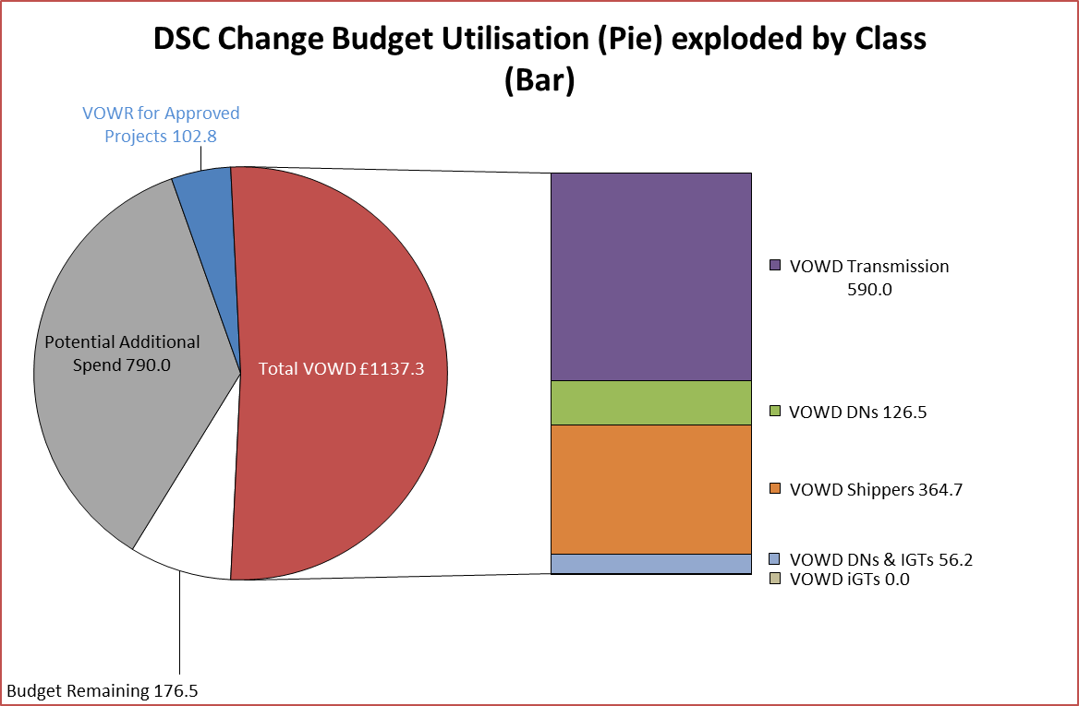
Details of Changes
 | Values pertaining to the Total Cost of the Project |  | Values pertaining to the cost of the project split by Financial Year
Project Line Level Changes | Change in Total Approved Value | Change in Estimated Total Cost of Project | Change in Previous Year Actuals | Change in Current Year Value of Work Done | Change in Current Year Value of Work Remaining | Change in Future Financial Years Value of Work Remaining
4361 UKL Jun'18 Release [R2] (DSC CB) Programme Summary - External [O] | 0.0 | 0.0 | 0.0 | 0.0 | 0.0 | 0.0
4361 UKL Jun'18 Release [R2] (DSC CB) Programme Summary - Internal [O] | 0.0 | 0.0 | 0.0 | 0.0 | 0.0 | 0.0
This section summarises any value change between this report and the previous report. Positive values indicate an increase since the last report, negative indicates a decrease.

