CMC_Summary
Totals by Budget Area (£,000's) |  |  |  |  |  |  |  |  |  |  | Current Year Value of Work Done Split By Customer Class
 |  |  | Values pertaining to the Total Cost of the Project |  | Values pertaining to the cost of the project split by Financial Year |  |  |  | RAG Status
Summary (by Budget Area) | Expenditure Type | Approved Budget Value 18/19 | Total Approved Value | Estimated Cost at Completion | Previous Year Value of Work Done | Current Year Value of Work Done | Current Year Value of Work Remaining | Future Financial Years Value of Work Remaining | Current Year Total vs Budget | Estimated Cost at Completion vs. Total Approved Value | Transmission Network Operator | Distribution Network Operator | DNs & IGTs | IGT's | Shippers
DSC Change Budget | External | 2,206.7 | 2,829.2 | 1,739.6 | 508.5 | 1,137.3 | 102.8 | 0.0 | G | G | 590.0 | 126.5 | 56.2 | 0.0 | 364.7
 | Internal |  |  | 395.0 | 119.1 | 248.7 | 27.3 | 0.0 | NA | NA | 167.2 | 10.4 | 4.9 | 0.0 | 66.2
 | Total |  |  | 2,175.0 | 668.0 | 1,386.0 | 130.0 | 0.0 | NA | NA | 757.1 | 136.9 | 61.1 | 0.0 | 430.9

Note that project expenditure & budget values shown do not include margin |  |  |  |  |  |  |  |  | Green - At or below target
Internal costs are not deducted from budget (unless otherwise notified) |  |  |  |  |  |  |  |  | Red - Above target

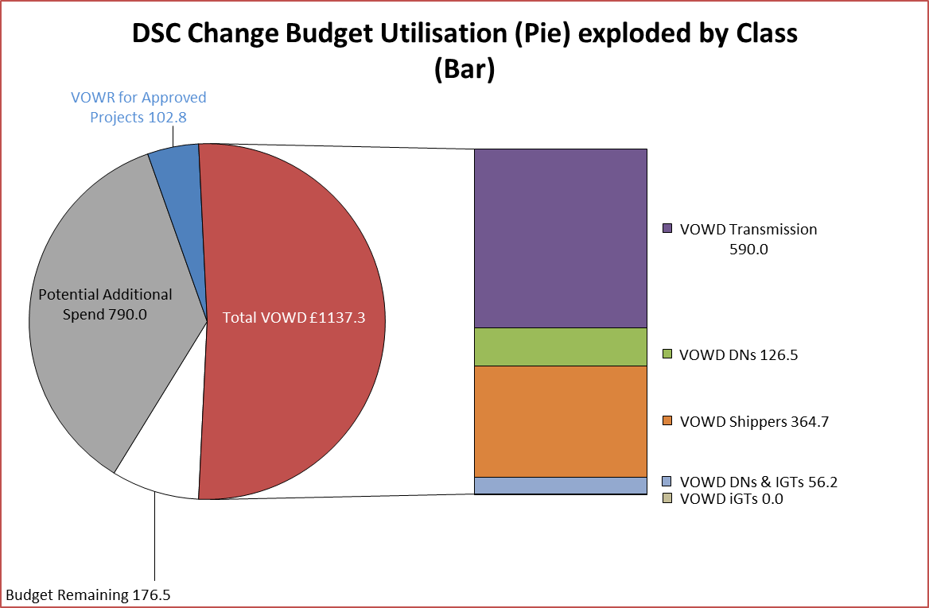
Details of Changes
 | Values pertaining to the Total Cost of the Project |  | Values pertaining to the cost of the project split by Financial Year
Project Line Level Changes | Change in Total Approved Value | Change in Estimated Total Cost of Project | Change in Previous Year Actuals | Change in Current Year Value of Work Done | Change in Current Year Value of Work Remaining | Change in Future Financial Years Value of Work Remaining
4361 UKL Jun'18 Release [R2] (DSC CB) Programme Summary - External [O] | 0.0 | 0.0 | 0.0 | 0.0 | 0.0 | 0.0
4361 UKL Jun'18 Release [R2] (DSC CB) Programme Summary - Internal [O] | 0.0 | 0.0 | 0.0 | 0.0 | 0.0 | 0.0
This section summarises any value change between this report and the previous report. Positive values indicate an increase since the last report, negative indicates a decrease.

