UK Link_2yr_view
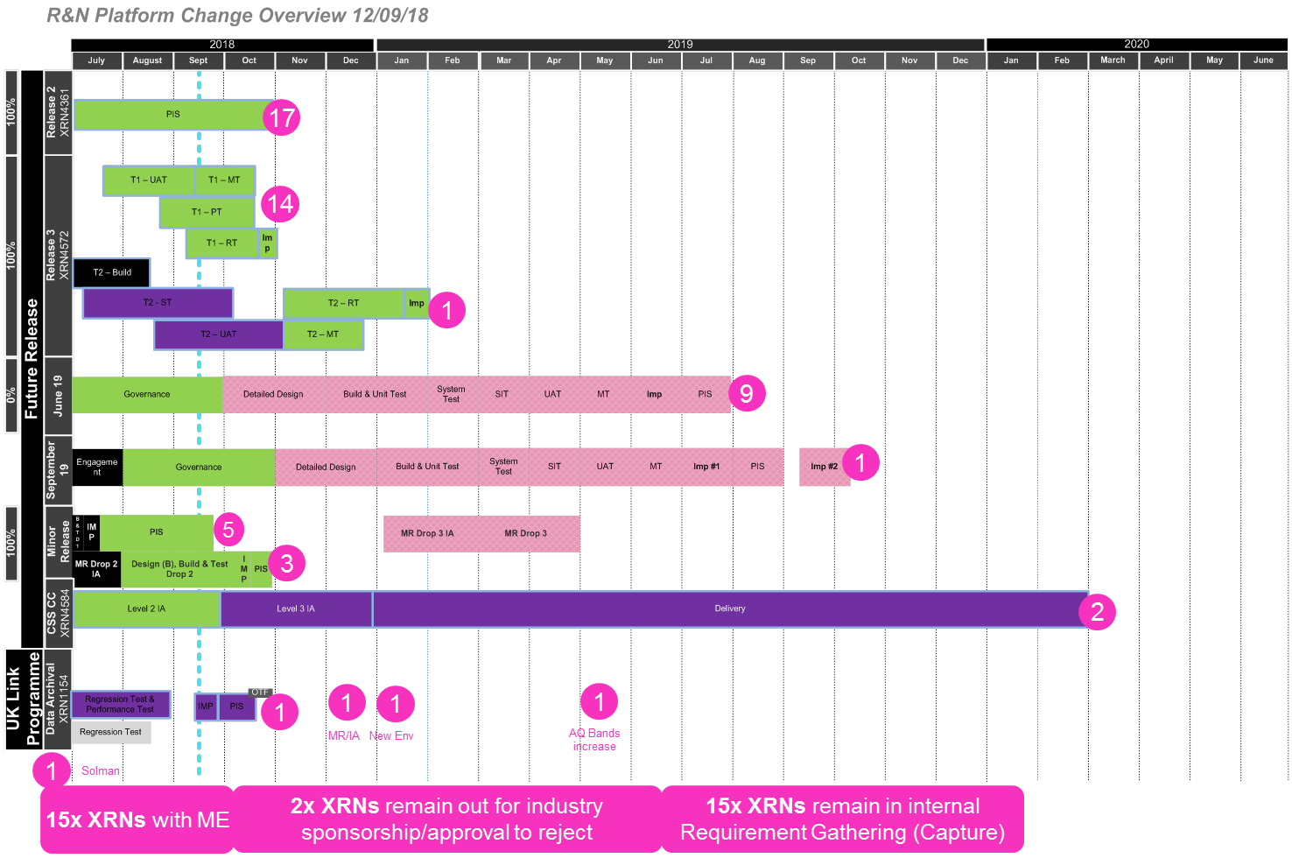

Change Allocation | Count of XRNs
Solution Manager Update (Feb'18) | 1
Release Nov 19 | 5
Release Sep 19 | 1
Release Jun 19 | 9
Release Feb 19 | 0
R3.0 (Nov'18) | 15
R2.0 (Jun'18) | 17
R1.0 (Nexus) | 1
R&N New Environment (Apr'18) | 1
R&N Minor Release/Impact Assessment (Mar'18) | 1
Out for industry sponsorship/approval to reject | 2
Internal req Gathering (Capture) | 15
Minor Enhancement Delivered Change | 15
CSS | 2
Candidate for Minor Release Drop 2 | 3
Candidate for Minor Release Drop 1 | 5
AQ Bands Increase | 1
Closedown | 0
Grand Total | 94

Please filter in column C within the 'R&N_Live_Changes' tab to view specific XRNs

