1-Summary
Xoserve Monthly Reporting |  |  |  |  |  | May 2018

 | Invoicing Information |  |  |  |  |  |  |  |  | Contract Management Reporting

 | Invoice | Sep-17 | Oct-17 | Nov-17 | Dec-17 | Jan-18 | Feb-18 | Mar-18 | Apr-18 | Priority 1 KPI |  |  |  |  | 1 Failed
 | LDZ Capacity (CAZ) | £289,415,949 | £299,201,864.14 | £290,194,555.87 | £299,923,728.54 | £300,085,873.04 | £271,243,893.07 | £300,714,752.62 | £302,200,317.27
 | Commodity (COM) | £20,098,401 | £26,855,499.51 | £41,901,625.24 | £49,314,715.49 | £51,013,861.41 | £49,577,294.91 | £47,885,458.16 | £29,034,584.31 | Priority 2 KPIs |  |  |  |  | No Failures
 | Amendments (AMS) | £205,300 | £321,544 | £281,193 | £486,752 | £398,601 | -£97,585 | £435,828.94 | £1,543,453.44
 | Meter Assets (MAS & ADP) | £187,588 | £193,840 | £187,588 | £193,840.34 | £193,840.00 | £175,082.41 | £193,565.33 | £194,233.30 | UK Link Availability (Gemini) |  |  |  |  | 100.00%
 | NTS Entry Capacity (NTE) | £1,855,268 | £11,176,718 | £12,089,719 | £12,089,719.21 | £13,468,961.26 | £10,887,736.94 | £12,522,228.64 | £1,577,511.57
 | NTS Exit Capacity (NXC) | £22,811,560 | £18,097,118 | £18,734,839 | £18,734,838.83 | £18,693,319.21 | £16,944,144.32 | £16,944,144.32 | £18,111,359.22 | UK Link Availability (Non-Gemini) |  |  |  |  | 100.00%

 |  |  |  |  |  |  |  |  |  | Third Party Services Sold |  |  |  |  | £7,724

 |  |  |  |  |  |  |  |  |  | Additional Services Sold |  |  |  |  | £6,735

 |  |  |  |  |  |  |  |  |  | Operational Requirements |  |  |  |  | No Failures

 |  |  |  |  |  |  |  |  |  | Supply Point Information

 |  |  |  |  |  |  |  |  |  | Type | Nov | Dec | Jan | Feb | Mar | April | May | June
 |  |  |  |  |  |  |  |  |  | Class 1 | 1,131 | 1,078 | 1,067 | 990 | 930 | 449 | 420 | 422
 |  |  |  |  |  |  |  |  |  | Class 2 | 17 | 46 | 53 | 115 | 179 | 663 | 686 | 687
 |  |  |  |  |  |  |  |  |  | Class 3 | 74,030 | 75,711 | 76,685 | 78,345 | 80,084 | 119,857 | 121,241 | 123,483
 |  |  |  |  |  |  |  |  |  | Class 4 | 23,941,127 | 23,957,573 | 23,972,323 | 23,986,004 | 23,996,449 | 23,975,239 | 23,988,139 | 24,005,430

 | Highlights & Other Matters

 | For Issues please see Issue Slides |  |  |  |  |  |  |  |  |  |  |  |  |  |  | Smart Meter- % 23.3%
 | Xoserve hosted a training event centred around Invoicing which helped educate and train idustry collegues on the various areas of invoicing undertaken by Xoserve, this was well attended and received very positive feedback.

5-Change Report Summary
Totals by Budget Area (£,000's) |  |  |  |  |  |  |  |  |  |  | Current Year Value of Work Done Split By Customer Class
 |  |  | Values pertaining to the Total Cost of the Project |  | Values pertaining to the cost of the project split by Financial Year |  |  |  | RAG Status
Summary (by Budget Area) | Expenditure Type | Approved Budget Value 18/19 | Total Approved Value | Estimated Cost at Completion | Previous Year Value of Work Done | Current Year Value of Work Done | Current Year Value of Work Remaining | Future Financial Years Value of Work Remaining | Current Year Total vs Budget | Estimated Cost at Completion vs. Total Approved Value | Transmission Network Operator | Distribution Network Operator | DNs & IGTs | IGT's | Shippers
DSC Change Budget | External | 2,206.7 | 2,352.4 | 1,837.5 | 508.5 | 170.8 | 1,158.2 | 0.0 | G | G | 34.8 | 44.3 | 20.8 | 0.0 | 70.9
 | Internal |  |  | 396.9 | 119.1 | 37.3 | 240.6 | 0.0 | NA | NA | 21.1 | 3.4 | 1.6 | 0.0 | 11.2
 | Total |  |  | 2,234.4 | 627.6 | 208.0 | 1,398.8 | 0.0 | NA | NA | 55.8 | 47.7 | 22.4 | 0.0 | 82.0

Note that project expenditure & budget values shown do not include margin |  |  |  |  |  |  |  |  | Green - At or below target
Internal costs are not deducted from budget (unless otherwise notified) |  |  |  |  |  |  |  |  | Red - Above target

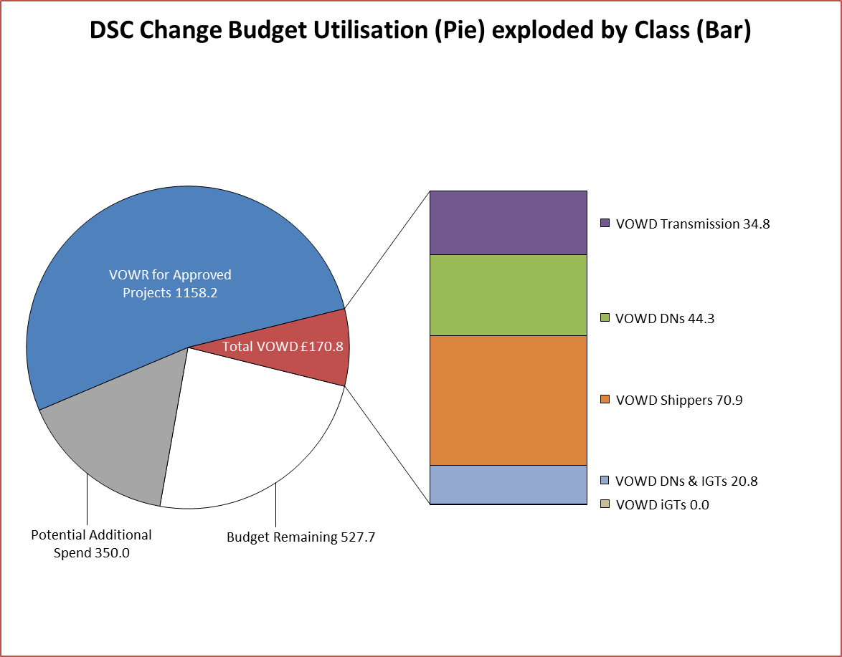
DSC Change Budget Utilisation (Pie) exploded by Class (Bar)
Budget Remaining | 695.66624286
Potential Additional Spend | -0.0404745
VOWR for Approved Projects | 0
VOWD Transmission | 2.8736895
VOWD DNs | 498.16442064
VOWD Shippers | 28.451902
VOWD DNs & IGTs | 29.48
VOWD iGTs | 0.4452195
Details of Changes
 | Values pertaining to the Total Cost of the Project |  | Values pertaining to the cost of the project split by Financial Year
Project Line Level Changes | Change in Total Approved Value | Change in Estimated Total Cost of Project | Change in Previous Year Actuals | Change in Current Year Value of Work Done | Change in Current Year Value of Work Remaining | Change in Future Financial Years Value of Work Remaining
No Change - Start of Financial Year
This section summarises any value change between this report and the previous report. Positive values indicate an increase since the last report, negative indicates a decrease.

